Manual Input Report
Load Rating Summary

 |  |  |  |  |  |  |  |  | Structure ID: |  |  |  |  |  |  |  | Structure ID |  |  |  |  |  |  |  |  |  |  |  |  | Analyst: |  |  | Analyst ID
 |  |  |  |  |  |  |  |  | Location: |  |  |  |  |  |  |  | Bridge Location |  |  |  |  |  |  |  |  |  |  |  |  |  | QC By: |  | _________

 |  |  |  |  |  |  |  |  |  |  |  |  |  |  |  |  |  |  |  |  |  |  |  |  | Load Rating Date (B.LR.03): |  |  |  |  |  |  |  | Enter Date
 |  |  | Structure Identification
 | Feature Intersected: |  |  |  |  |  |  |  |  |  |  |  |  | Feature intersected |  |  |  |  |  |  |  |  |  |  |  |  |  |  | County: |  |  |  | Choose County

 | Material Main Span (B.SP.04): |  |  |  |  |  |  |  |  |  |  |  |  | Select Material Type |  |  |  |  |  |  |  |  |  |  |  |  |  |  | NHS Designation: |  |  |  | Choose an item

 |  | Design for Main Span (B.SP.06): |  |  |  |  |  |  |  |  |  |  |  | Select Span Type |  |  |  |  |  |  |  |  |  |  |  |  |  |  |  |  | District: |  | Choose District

 |  |  | Year Built: |  |  |  |  |  |  |  |  |  |  | Year Built |  |  |  |  |  |  |  |  |  |  |  |  |  | Admin Owner: |  |  |  |  | Enter Admin Owner

 |  |  |  | Maintainer: |  |  |  |  |  |  |  |  |  | Choose an item |  |  |  |  |  |  |  |  |  |  |  |  |  |  |  |  | Name: |  | Add Bridge Name
 |  |  |  | Owner: |  |  |  |  |  |  |  |  |  | Choose an item |  |  |  |  |  |  |  |  |  |  |  |  |  |  | Emergency Route: |  |  |  | Choose an item
 |  |  | Description
Add Description

 |  |  | Ratings and Loads
 | Deck (B.C.01): |  |  |  |  | Choose item |  |  |  |  |  |  | SuperStructure (B.C.02): |  |  |  |  |  | Choose item |  |  |  |  |  | Substructure (B.C.03): |  |  |  |  |  | Choose item |  |  | Culvert (B.C.04): |  | Choose item

 | Design Load (B.LR.01): |  |  |  |  |  |  |  |  |  |  |  |  |  | Choose Design Load |  |  |  |  |  |  | Type of Overlay: |  |  |  |  |  |  |  |  |  | Choose Overlay Type
Design Method (B.LR.02): |  |  |  |  |  |  |  |  |  |  |  |  |  |  | Choose Design Method |  |  |  |  |  |  |  | Overlay Thickness / Fill Height (in): |  |  |  |  |  |  |  |  | Enter Cover/Fill
 | LR Method (B.LR.04): |  |  |  |  |  |  |  |  |  |  |  |  |  | Choose LR Method |  |  |  |  |  |  |  |  | Load Posting Status (B.PS.01): |  |  |  |  |  |  |  | Choose Item

Truck |  |  |  |  | Inventory Rating |  |  |  |  |  | Operating Rating |  |  |  |  | Legal |  |  |  | Posting Value (tons) |  |  |  |  |  |  |  | Control Location

 |  |  |  |  | Rating Factor |  | Tons |  |  |  | Rating Factor |  |  | Tons |  | Rating Factor |  | Tons |  |  |  |  |  |  |  |  |  | Span |  | Location (ft) |  | Percent of Span

 |  |  |  |  |  |  |  |  |  |  |  |  |  |  |  |  |  |  |  |  |  |  |  |  | Member |  |  |  |  |  |  |  |  | Limit State
HS/HL93 |  |  |  |  | Add RF |  | Ton |  |  |  |  |  |  |  |  |  |  |  |  | N/A |  |  |  |  | Member |  |  | Span |  | FT |  | Percent |  | Limit State
HS/HL93 |  |  |  |  |  |  |  |  |  |  | Add RF |  |  | Ton |  |  |  |  |  | N/A |  |  |  |  | Member |  |  | Span |  | FT |  | Percent |  | Limit State
SU4 |  |  |  |  |  |  |  |  |  |  |  |  |  |  |  | Add RF |  | Ton |  | - |  |  |  |  | Member |  |  | Span |  | FT |  | Percent |  | Limit State
SU5 |  |  |  |  |  |  |  |  |  |  |  |  |  |  |  | Add RF |  | Ton |  | - |  |  |  |  | Member |  |  | Span |  | FT |  | Percent |  | Limit State
SU6 |  |  |  |  |  |  |  |  |  |  |  |  |  |  |  | Add RF |  | Ton |  | - |  |  |  |  | Member |  |  | Span |  | FT |  | Percent |  | Limit State
SU7 |  |  |  |  |  |  |  |  |  |  |  |  |  |  |  | Add RF |  | Ton |  | - |  |  |  |  | Member |  |  | Span |  | FT |  | Percent |  | Limit State
NE Type 3 |  |  |  |  |  |  |  |  |  |  |  |  |  |  |  | Add RF |  | Ton |  |  |  |  |  |  | Member |  |  | Span |  | FT |  | Percent |  | Limit State
NE Type 3S2 |  |  |  |  |  |  |  |  |  |  |  |  |  |  |  | Add RF |  | Ton |  |  |  |  |  |  | Member |  |  | Span |  | FT |  | Percent |  | Limit State
NE Type 3-3 |  |  |  |  |  |  |  |  |  |  |  |  |  |  |  | Add RF |  | Ton |  |  |  |  |  |  | Member |  |  | Span |  | FT |  | Percent |  | Limit State
EV2 |  |  |  |  |  |  |  |  |  |  |  |  |  |  |  | Add RF |  | Ton |  | N/A |  |  |  |  | Member |  |  | Span |  | FT |  | Percent |  | Limit State
EV3 |  |  |  |  |  |  |  |  |  |  |  |  |  |  |  | Add RF |  | Ton |  | N/A |  |  |  |  | Member |  |  | Span |  | FT |  | Percent |  | Limit State
Triple-Triple |  |  |  |  |  |  |  |  |  |  | Add RF |  |  | Ton |  |  |  |  |  | N/A |  |  |  |  | Member |  |  | Span |  | FT |  | Percent |  | Limit State
 |  |  |  |  |  |  |  |  |  |  |  |  |  |  |  |  |  |  |  | Documentation

 |  |  |  |  |  |  |  |  |  | Rating Information Provided: |  |  |  |  |  |  |  |  |  | X | Plans |  |  |  | X |  | Field Measurements
 |  |  |  |  |  |  |  |  |  |  |  |  |  |  |  |  |  |  |  | X | Testing |  |  |  | X | No Information Exists
 |  |  |  |  |  |  |  |  |  |  |  | BrR Computations Submitted: |  |  |  |  |  |  |  | Choose Item
 |  |  |  |  |  |  |  |  |  |  |  | Analysis Engine Version: |  |  |  |  |  |  |  | Enter Engine Version
 |  |  |  |  | t |  |  |  |  |  |  | Rating Program Used: |  |  |  |  |  |  |  | Choose Item
 |  |  |  |  | 0T
Enter Text
 |  |  |  |  | t |  |  | Additional Comments
 |  |  |  |  | t
 |  |  |  |  | #REF! |  |  |  |  |  |  |  |  |  |  |  |  |  |  |  |  |  |  |  |  |  |  |  |  |  |  |  |  |  | 2025-09-12

EMERGENCY VEHICLE AXEL WEIGHT LIMIT

 | SINGLE

 | TANDEM

 | GROSS

 |  |  |  |  | The Rating and Posting Values for this structure is based on a theoretical analysis of the structural elements involved and on a limited amount of information concerning the structural condition. These weight limits are intended only as a general guideline and may be varied accordingly by the officials responsible for this structure after an investigation of the structural condition, reaction to vehicular loads and any other items where judgment is required to establish a proper weight limit.

 | BR Form 465, version 2.1 [Updated:5 11 2026]

README
README:

 | In the textbox, press CTRL+SHIFT+ENTER to go to the next line

 | Load Posting Status (B.PS.01) :

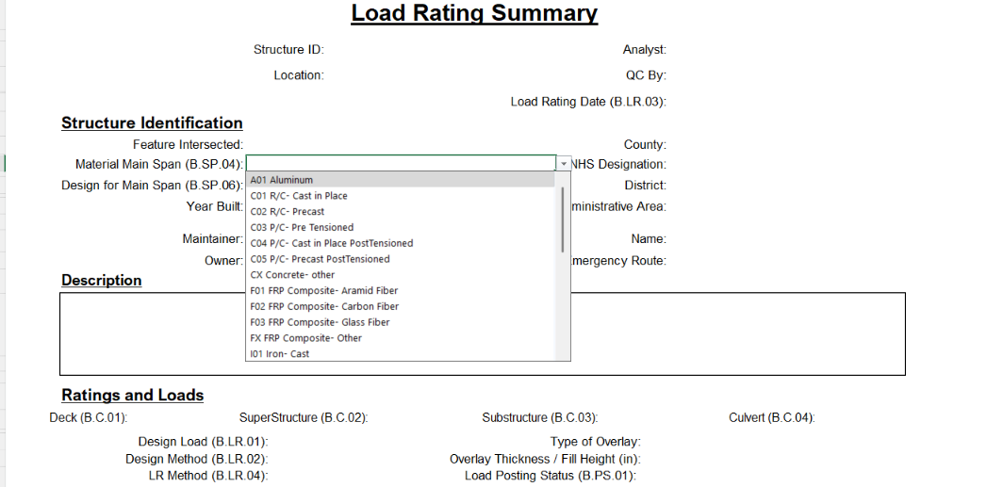
Instructions:
Fill out all inputs. Some are text inputs while others are drop downs

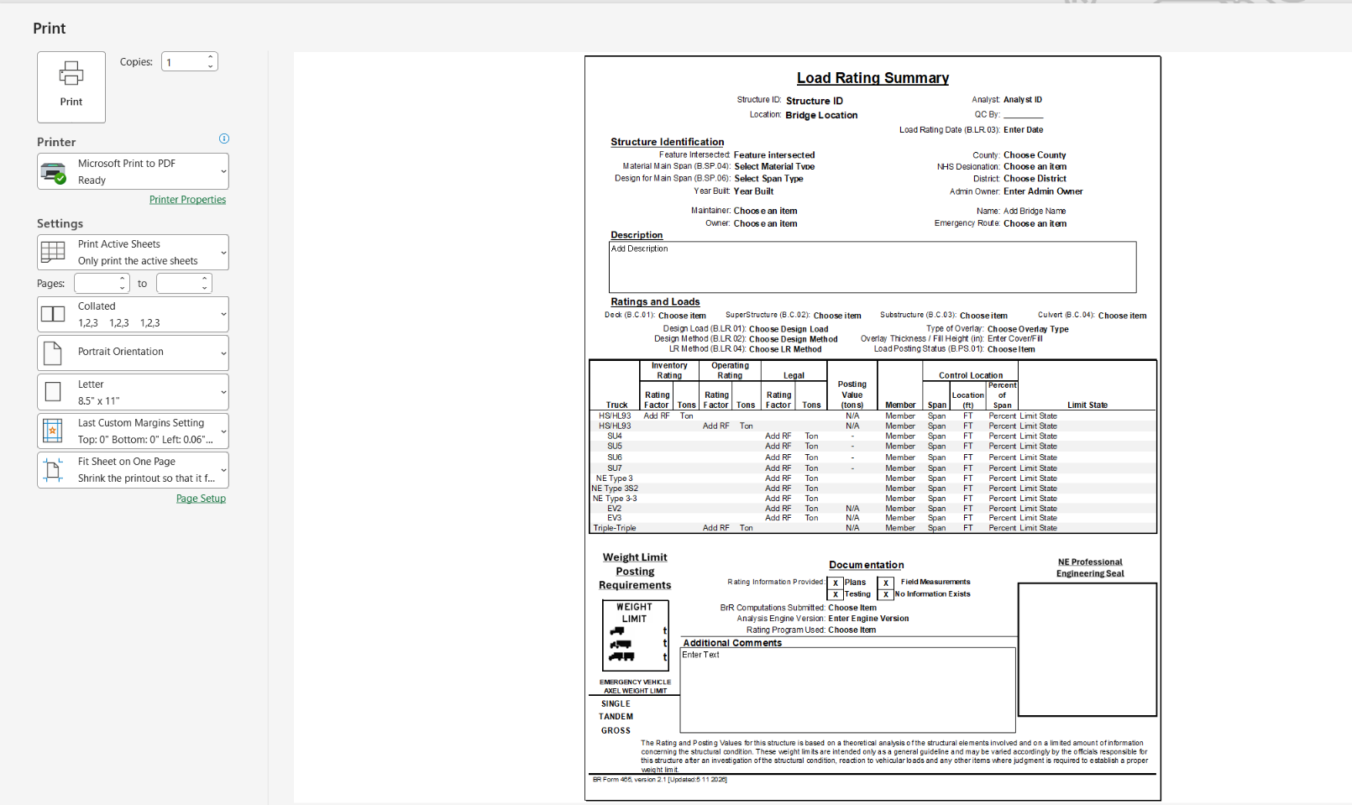
Print out the LRSS

 |  | To Here

